Лист2
ID | 1.1 | 2.1 | 3.1. | 4.1. | 5.1 | 6.1 | 7.1
Summary | The entry "No files yet Import images or scan them with your camera" is displayed on the main screen of the application after creating files in the "PDF files" section and folders in the "Documents" section | The My Files directory does not open after clicking the "Create PDF" button on the main screen | using the central part of the main screen in landscape mode is inconvenient | The function of moving a file to a folder does not work when clicking "Move to" on the "Create PDF" screen | The name of the field "Enter file name" and the pop-up window "Creation of PDF" during the creation of the folder does not correspond to the content, it is illogical | no message about cannot use characters * ? < > : " ; emoticons and the Enter button when creating a folder in the "Folders" section | A folder is created in the Documents section when using any * ? < > : " ; Enter button, emoticon, space as the first character
Pre-conditions | launch the application | launch the application | launch the application | launch the application | launch the application | launch the application | launch the application
 |  |  | create 2 PDF files and 2 folders "Documents" | create PDF file
Steps | 1. click on the "Image" icon | 1.click on the button "Create PDF" | 1. Return the gadget to landscape screen mode | 1.click on the button "Create PDF" | 1. click the "+" icon in the upper right corner of the screen | 1. click the "+" icon in the upper right corner of the screen | 1. click on the "Image" icon
 | 2. in the pop-up window, click the "Gallery" icon |  |  | 2. click on the created PDF file on the updated screen |  | 2. in the "folder name" field, enter the following characters * ? < > : " ; and use the Enter button | 2. click the "Gallery" icon in the pop-up window
 | 3. select and click on any picture in the device gallery |  |  | 3. click on "Move to" |  | 3. click on create | 3. select and click on any picture in the gallery
 | 4. click on the button "Continue" |  |  |  |  |  | 4. click on the button "Continue"
 | 5. click on the button "Finish" |  |  |  |  |  | 5. click on the button "Finish"
 | 6. enter the correct file name in the "Creation of PDF" pop-up window |  |  |  |  |  | 6. enter the following characters * ? < > : " ; emoticons and use the Enter button, a space as the first character in the "Creation of PDF" pop-up window
 | 7. click on the button "Create" |  |  |  |  |  | 7. click on the button "Create"
 | 8. click on the red icon (PDF) in the upper right corner |  |  |  |  |  | 8. press the back arrow in the upper left corner
 | 9. click "VIEW" in the pop-up window "File name"

Post-conditions
Expected result | the entry "No files yet Import images or scan them with your camera" is missing | The user is given the opportunity to select a file from "My files" | The created files and folders are displayed on the most part of the screen | A screen opens with a list of folders to move the file to | The name of the pop-up window is "Creation of folder", the field for entering the name of the folder is "Enter folder name" | A message appears that the specified characters cannot be used | the folder in the Documents section is not created
Actual result | The entry "No files yet Import images or scan them with your camera" is displayed on the main screen | The user is prompted to press the "Create PDF" button again | The Header and Footer of the main screen take up most of the screen | The pop-up window closes, leaving the "Create PDF" screen | The name of the pop-up window is "Creation of PDF", the field for entering the name of the folder is "Enter file name" | A folder in the "Folders" section has been created | the folder in the Documents section is created
Environment | Android, version 12, Samsung Galaxy A51 | Android, version 12, Samsung Galaxy A51 | Android, version 12, Samsung Galaxy A51 | Android, version 12, Samsung Galaxy A51 | Android, version 12, Samsung Galaxy A51 | Android, version 12, Samsung Galaxy A51 | Android, version 12, Samsung Galaxy A51
Severity | Trivial | Minor | Minor | Major | Minor | Minor | Minor
Priority | low | low | low | medium | low | medium | medium
Type of bug | logical bug | logical bug | visual bug | functional bug | logical bug | functional bug | logical bug
attachments | 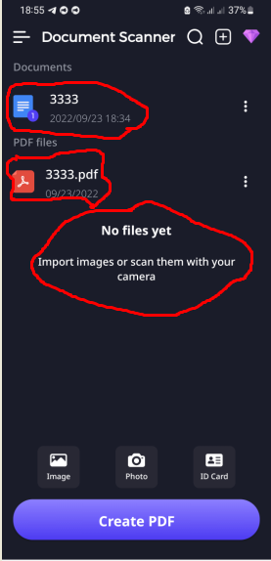 | 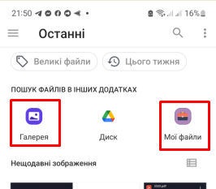  | 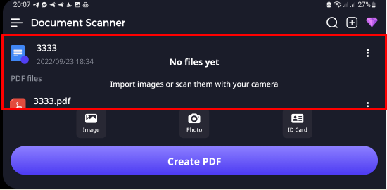 | 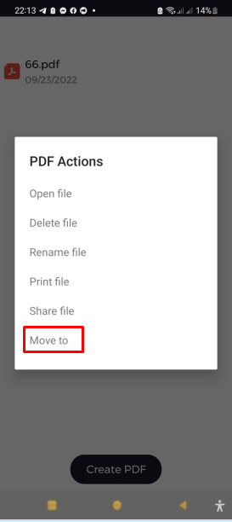 | 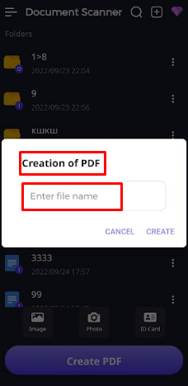 | 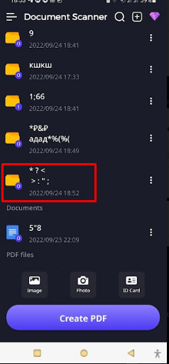 | 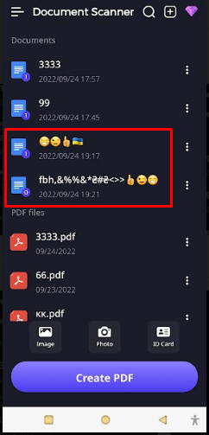
Status | Opened | Opened | Opened | Opened | Opened | Opened | Opened

